About you
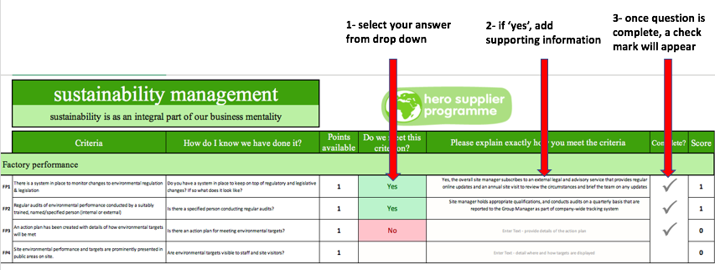
site details
Name of your business
Your site address
Date of checklist completion
About you | Your name
 | Your role
 | Your email

Welcome to innocent's hero supplier programme, refreshed in 2019!

First, enter your site details in the box above.

On each tab, please (1) select the drop down, and if 'yes' (2) enter supporting information. Review scores on the final tab.

Dude score
Results
Indicative results based on your data entered

Weighted site results |  |  |  |  | Detailed scores

 | 0% | Weighted score across all tabs |  |  |  |  | Sector score
 | 0 | Indicative dude score |  |  |  |  | Available | Scored | %age
 |  |  |  |  | Sustainability management |  | 20 | 0 | 0%
 |  |  |  |  |  | Factory performance | 4 | 0 | 0%
 |  |  |  |  |  | People & responsibility | 4 | 0 | 0%
 |  |  |  |  |  | Site-level impacts & supply chain | 6 | 0 | 0%
 |  |  |  |  |  | Corporate sustainability | 6 | 0 | 0%
 |  |  |  |  | Energy & GHG |  | 26 | 0 | 0%
 |  |  |  |  |  | Energy | 11 | 0 | 0%
 |  |  |  |  |  | Greenhouse Gas Emissions | 4 | 0 | 0%
 |  |  |  |  |  | Reporting | 11 | 0 | 0%
 |  |  |  |  | Water |  | 13 | 0 | 0%
 |  |  |  |  |  | Water usage | 5 | 0 | 0%
 |  |  |  |  |  | Catchment management | 4 | 0 | 0%
 |  |  |  |  |  | Reporting | 4 | 0 | 0%
 |  | Unweighted | Weighting | Weighted scores | Waste & Resources |  | 15 | 0 | 0%
 | Sustainability management | 0% | 0.4 | 0% |  | Waste monitoring | 4 | 0 | 0%
 | Energy & GHG | 0% | 0.2 | 0% |  | Landfill diversion | 3 | 0 | 0%
 | Water | 0% | 0.2 | 0% |  | Circular thinking | 5 | 0 | 0%
 | Waste & Resources | 0% | 0.2 | 0% |  | Reporting | 3 | 0 | 0%
 | GRAND TOTAL |  |  | 0% | GRAND TOTAL |  | 74 | 0 | 0%

