About you
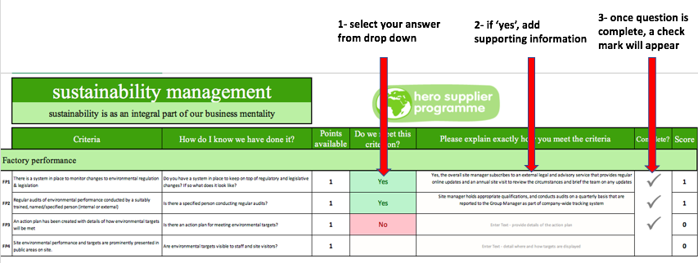
company details
Name of your business
Primary address (add warehouse name on each tab)
Date
About you | Your name
 | Your role
 | Your email

Welcome to innocent's hero supplier programme for logistics!
First, enter your site details in the box above.
On each tab, please (1) select the drop down, and if 'yes' (2) enter supporting information. Review scores on the final tab.
There should be the correct number of tabs for your warehouses - if not, let us know.

Dude score
Results
Indicative results based on your data entered

Weighted results |  |  |  |  | Detailed scores

 | 0% | Weighted score across all tabs |  |  |  |  | Sector score
 | 0 | Indicative dude score |  |  |  |  | Available | Scored | %age
 | 0 |  |  |  | Sustainability management |  | 8 | 0 | 0%
 |  |  |  |  |  | People & responsibility | 2 | 0 | 0%
 |  |  |  |  |  | Corporate sustainability | 6 | 0 | 0%
 |  |  |  |  | Fleet |  | 18 | 0 | 0%
 |  |  |  |  |  | Fleet | 9 | 0 | 0%
 |  |  |  |  |  | Drivers | 3 | 0 | 0%
 |  |  |  |  |  | Fuel | 4 | 0 | 0%
 |  |  |  |  |  | Refrigeration | 2 | 0 | 0%
 |  |  |  |  | Warehouse |  | 17 | 0.0 | 0%
 |  |  |  |  |  | General | 5 | 0.0 | 0%
 |  |  |  |  |  | Energy | 9 | 0.0 | 0%
 |  |  |  |  |  | Greenhouse Gas Emissions | 3 | 0.0 | 0%
 |  |  |  |  | GRAND TOTAL |  | 43 | 0.0 | 0%
 |  | Unweighted | Weighting | Weighted scores
 | Sustainability management | 0% | 0.2 | 0%
 | Fleet | 0% | 0.5 | 0%
 | Warehouses | 0% | 0.3 | 0%
 | GRAND TOTAL |  |  | 0%

